Sheet1
No | Item Number | Title | Price | Vehicle W/o Engine | Vehicle W/ Engine | Picture | Url
1 | 232315264904 | AC A/C Compressor For 2004 2005 2006 Mitsubishi Outlander Lancer CO 10845AC 2.4L | US $100.68/ea | Mitsubishi Lancer 2004-2006 Mitsubishi Outlander 2003-2006 | Mitsubishi Lancer 2004 2.4L 2400CC l4 GAS SOHC Naturally Aspirated Mitsubishi Lancer 2005-2006 2.4L 2378CC l4 GAS SOHC Naturally Aspirated Mitsubishi Outlander 2003-2004 2.4L 2351CC l4 GAS SOHC Naturally Aspirated Mitsubishi Outlander 2004-2006 2.4L 2378CC l4 GAS SOHC Naturally Aspirated | 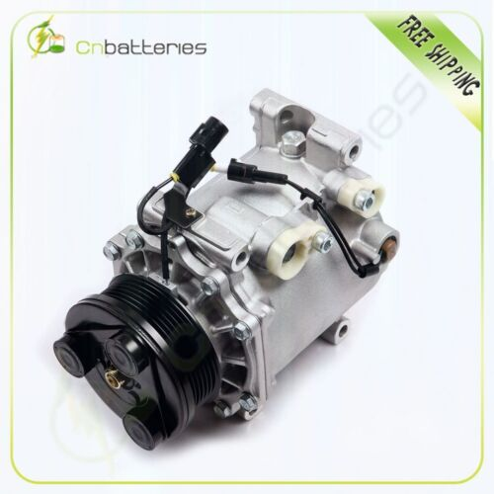 | https://www.ebay.com/itm/232315264904?_ul=US&_stpos=91710&orig_cvip=true
2 | 335513085831 | AC A/C Compressor Fits 06-10 Ford Explorer Mercury Mountaineer Lincoln Town 4.6L | US $111.21/ea | Ford Crown Victoria 2006-2011 Ford Explorer 2006-2010 Ford Explorer Sport Trac 2007-2010 Lincoln Town Car 2006-2011 Mercury Grand Marquis 2006-2011 Mercury Mountaineer 2006-2010 | Ford Crown Victoria 2006-2011 4.6L 281Cu. In. V8 FLEX SOHC Naturally Aspirated Ford Crown Victoria 2006-2011 4.6L 281Cu. In. V8 GAS SOHC Naturally Aspirated Ford Explorer 2006-2010 4.6L 281Cu. In. V8 GAS SOHC Naturally Aspirated Ford Explorer Sport Trac 2007-2010 4.6L 281Cu. In. V8 GAS SOHC Naturally Aspirated Lincoln Town Car 2006-2011 4.6L 281Cu. In. V8 FLEX SOHC Naturally Aspirated Lincoln Town Car 2006-2011 4.6L 281Cu. In. V8 GAS SOHC Naturally Aspirated Mercury Grand Marquis 2006-2010 4.6L 281Cu. In. V8 GAS SOHC Naturally Aspirated Mercury Grand Marquis 2006-2011 4.6L 281Cu. In. V8 FLEX SOHC Naturally Aspirated Mercury Mountaineer 2006-2010 4.6L 281Cu. In. V8 GAS SOHC Naturally Aspirated | 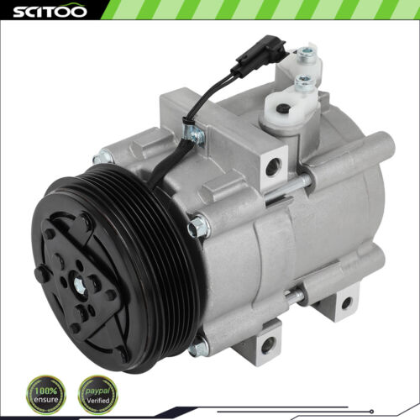 | https://www.ebay.com/itm/335513085831?_ul=US&_stpos=91710&orig_cvip=true
3 | 255628697516 | Fits 2004-2006 2005 Scion xA xB 1.5L A/C AC Compressor w/Clutch 97376 | US $125.49/ea |  |  | 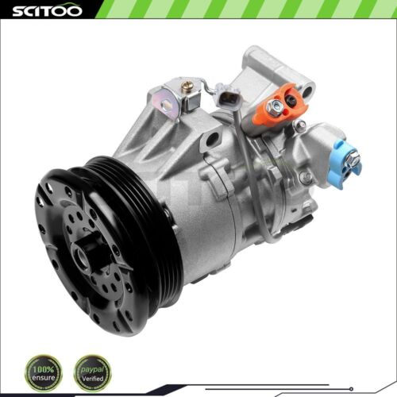 | https://www.ebay.com/itm/255628697516?_ul=US&_stpos=91710&orig_cvip=true
4 | 235461387733 | AC A/C Compressor For 2003-2009 Chevrolet Trailblazer GMC Envoy 4.2L CO 4910AC | US $115.79/ea | Buick Rainier 2004-2007 Chevrolet Trailblazer 2002-2009 Chevrolet Trailblazer EXT 2002-2006 GMC Envoy 2002-2009 GMC Envoy XL 2002-2006 GMC Envoy XUV 2004-2005 Isuzu Ascender 2003-2008 Oldsmobile Bravada 2002-2004 Saab 9-7x 2005-2009 | Buick Rainier 2004-2007 4.2L 256Cu. In. l6 GAS DOHC Naturally Aspirated Chevrolet Trailblazer 2002-2009 4.2L 256Cu. In. l6 GAS DOHC Naturally Aspirated Chevrolet Trailblazer EXT 2002-2006 4.2L 256Cu. In. l6 GAS DOHC Naturally Aspirated GMC Envoy 2002-2009 4.2L 256Cu. In. l6 GAS DOHC Naturally Aspirated GMC Envoy XL 2002-2006 4.2L 256Cu. In. l6 GAS DOHC Naturally Aspirated GMC Envoy XUV 2004-2005 4.2L 256Cu. In. l6 GAS DOHC Naturally Aspirated Isuzu Ascender 2003-2008 4.2L 256Cu. In. l6 GAS DOHC Naturally Aspirated Oldsmobile Bravada 2002-2004 4.2L 256Cu. In. l6 GAS DOHC Naturally Aspirated Saab 9-7x 2005-2009 4.2L 256Cu. In. l6 GAS DOHC Naturally Aspirated | 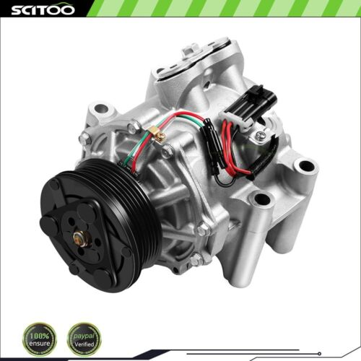 | https://www.ebay.com/itm/235461387733?_ul=US&_stpos=91710&orig_cvip=true
5 | 334707355204 | A/C AC Compressor FOR Toyota Camry For Solara 1988-2000 2001 CO 10624GLC | US $101.63 | Toyota Camry 1987-2001 Toyota Celica 1988-1999 Toyota Solara 1999-2001 | Toyota Camry 1987-1991 2.0L 1998CC 122Cu. In. l4 GAS DOHC Naturally Aspirated Toyota Camry 1988-1991 2.5L 2508CC V6 GAS DOHC Naturally Aspirated Toyota Camry 1992-2001 2.2L 2164CC l4 GAS DOHC Naturally Aspirated Toyota Camry 2000-2001 2.2L 2164CC l4 CNG DOHC Naturally Aspirated Toyota Celica 1988-1989 2.0L 1998CC 122Cu. In. l4 GAS DOHC Naturally Aspirated Toyota Celica 1988-1989 2.0L 1998CC 122Cu. In. l4 GAS DOHC Turbocharged Toyota Celica 1996-1999 2.2L 2164CC l4 GAS DOHC Naturally Aspirated Toyota Solara 1999-2001 2.2L 2164CC l4 GAS DOHC Naturally Aspirated | 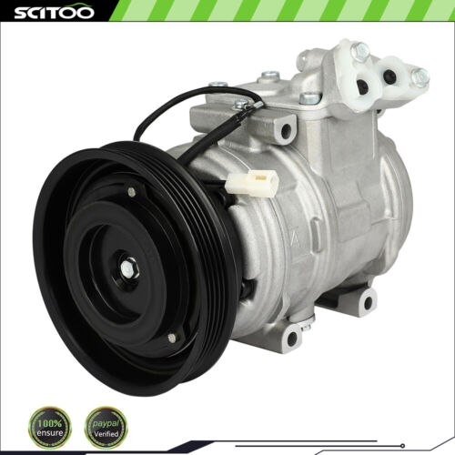 | https://www.ebay.com/itm/334707355204?_ul=US&_stpos=91710&orig_cvip=true
6 | 335372891937 | AC A/C Compressor for Jeep Grand Cherokee 1993-1998 4.0L 5.2L High Quality | US $118.83/ea | Jeep Grand Cherokee 1993-1998 Jeep TJ 2002-2003 Jeep Wrangler 1999 | Jeep Grand Cherokee 1993-1998 4.0L 242Cu. In. l6 GAS OHV Naturally Aspirated Jeep Grand Cherokee 1993-1998 5.2L 5211CC 318Cu. In. V8 GAS OHV Naturally Aspirated Jeep Grand Cherokee 1998 5.9L 360Cu. In. V8 GAS OHV Naturally Aspirated Jeep TJ 2002 2.5L 150Cu. In. l4 GAS OHV Naturally Aspirated Jeep TJ 2003 2.4L 148Cu. In. l4 GAS DOHC Naturally Aspirated Jeep Wrangler 1999 4.0L 242Cu. In. l6 GAS OHV Naturally Aspirated | 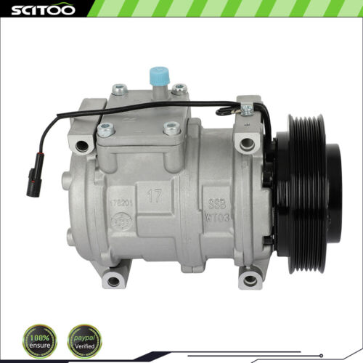 | https://www.ebay.com/itm/335372891937?_ul=US&_stpos=91710&orig_cvip=true
7 | 256102649999 | A/C Compressor For 2002-2007 Chrysler Town &amp; Country Dodge Caravan 3.3L 3.8L | US $101.45/ea | Chrysler Town & Country 2001-2007 | Chrysler Town & Country 2001-2003 3.3L 3301CC 201Cu. In. V6 FLEX OHV Naturally Aspirated Chrysler Town & Country 2001-2007 3.3L 3301CC 201Cu. In. V6 GAS OHV Naturally Aspirated Chrysler Town & Country 2001-2007 3.8L 3778CC 231Cu. In. V6 GAS OHV Naturally Aspirated | 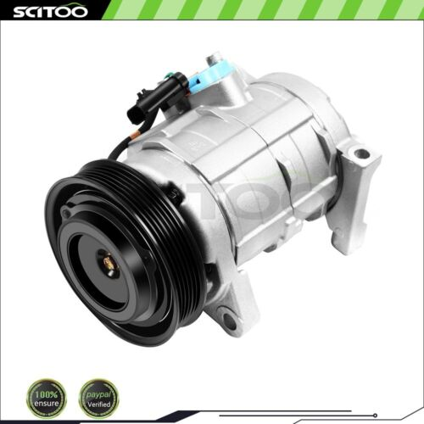 | https://www.ebay.com/itm/256102649999?_ul=US&_stpos=91710&orig_cvip=true
8 | 335057592559 | AC A/C Compressor for Mazda 3 Mazda 3 Sport Mazda CX-5 2014-2018 2.0L 2.5L | US $110.75/ea | Mazda 3 2014-2018 Mazda 3 Sport 2014-2018 Mazda CX-5 2013-2020 | Mazda 3 2014-2018 2.0L 1998CC 122Cu. In. l4 GAS DOHC Naturally Aspirated Mazda 3 2014-2018 2.5L 2488CC 152Cu. In. l4 GAS DOHC Naturally Aspirated Mazda 3 Sport 2014-2018 2.0L 1998CC 122Cu. In. l4 GAS DOHC Naturally Aspirated Mazda 3 Sport 2014-2018 2.5L 2488CC 152Cu. In. l4 GAS DOHC Naturally Aspirated Mazda CX-5 2013-2016 2.0L 1998CC 122Cu. In. l4 GAS DOHC Naturally Aspirated Mazda CX-5 2014-2020 2.5L 2488CC 152Cu. In. l4 GAS DOHC Naturally Aspirated | 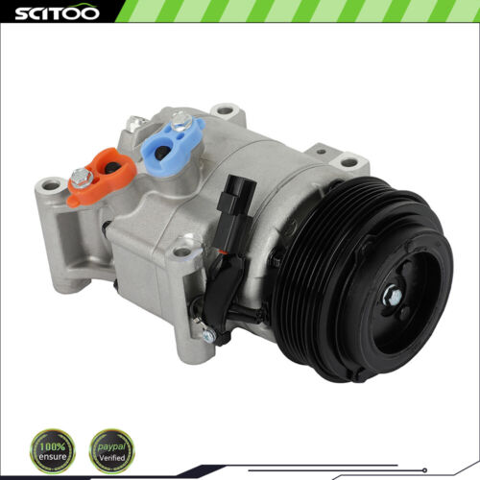 | https://www.ebay.com/itm/335057592559?_ul=US&_stpos=91710&orig_cvip=true
9 | 256264372483 | AC A/C Compressor for Toyota Highlander 2009-2013 Toyota Venza 2009-2016 2.7L | US $137.83/ea | Toyota Highlander 2009-2013 Toyota Venza 2009-2016 | Toyota Highlander 2009-2013 2.7L 2672CC 163Cu. In. l4 GAS DOHC Naturally Aspirated Toyota Venza 2009-2016 2.7L 2672CC 163Cu. In. l4 GAS DOHC Naturally Aspirated | 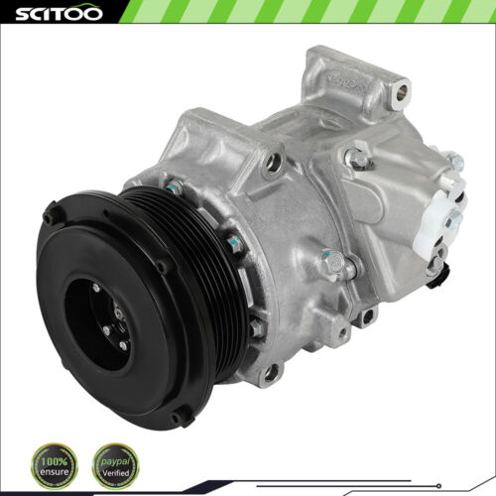 | https://www.ebay.com/itm/256264372483?_ul=US&_stpos=91710&orig_cvip=true
10 | 334041377271 | For Infiniti I30 1997-2001 For Nissan Maxima 1997-2001 3.0L A/C AC Compressor | US $106.01/ea | INFINITI I30 1996-2001 Nissan Maxima 1997-2001 | INFINITI I30 1996-2001 3.0L 2988CC 182Cu. In. V6 GAS DOHC Naturally Aspirated Nissan Maxima 1997-2001 3.0L 2988CC 182Cu. In. V6 GAS DOHC Naturally Aspirated | 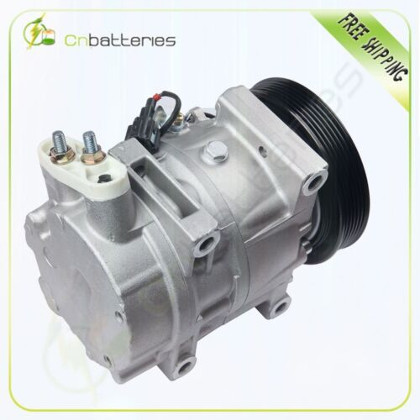 | https://www.ebay.com/itm/334041377271?_ul=US&_stpos=91710&orig_cvip=true

